Sheet1
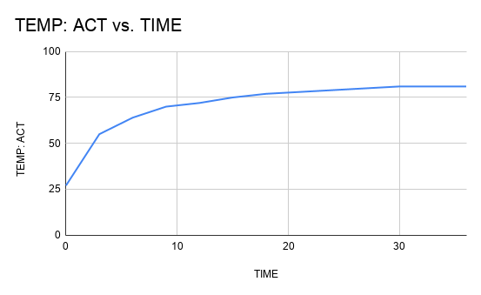
3A: THERMOMETER: STEP
S.No | TIME | TEMP: ACT | TEMP: THEO
1 | 0 | 27 | 27
2 | 3 | 55 | 52.09588286
3 | 6 | 64 | 65.52874097
4 | 9 | 70 | 72.71883179
5 | 12 | 72 | 76.56741007
6 | 15 | 75 | 78.62740558
7 | 18 | 77 | 79.73004172
8 | 21 | 78 | 80.32024032
9 | 24 | 79 | 80.63615086
10 | 27 | 80 | 80.80524559
11 | 30 | 81 | 80.89575548
12 | 33 | 81 | 80.94420193
13 | 36 | 81 | 80.97013344

 |  |  |  | 63.2% VALUE: | 61.128
 |  |  |  | TIME CONST: | 4.8

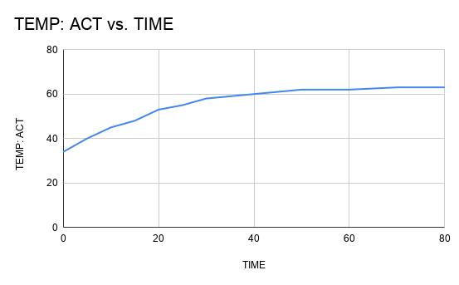
3B: THERMOMETER: STEP
S.No | TIME | TEMP: ACT | TEMP: THEO
1 | 0 | 34 | 34
2 | 5 | 40 | 40.2766418
3 | 10 | 45 | 45.19479283
4 | 15 | 48 | 49.0484793
5 | 20 | 53 | 52.06808958
6 | 25 | 55 | 54.43414771
7 | 30 | 58 | 56.28810587
8 | 35 | 59 | 57.74080088
9 | 40 | 60 | 58.8790805
10 | 45 | 61 | 59.77099552
11 | 50 | 62 | 60.46986809
12 | 55 | 62 | 61.01747953
13 | 60 | 62 | 61.44656818
14 | 65 | 62.5 | 61.78278663
15 | 70 | 63 | 62.04623533
16 | 75 | 63 | 62.25266427
17 | 80 | 63 | 62.41441457 | 63.2% VALUE: | 52.328
 |  |  |  | TIME CONST: | 20.5

